Sheet1
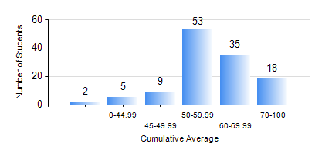
 |  |  | KWAME NKRUMAH UNIVERSITY OF SCIENCE AND TECHNOLOGY, KUMASI Department of Geomatic Engineering

 |  |  | BSC. GEOMATIC ENG.

 |  |  | COMPREHENSIVE RECORD OF EXAMINATION RESULTS

 |  |  | RESULTS OF YEAR 1 SECOND SEMESTER, 2023/2024 ACADEMIC YEAR

 | Sn | Course Code |  | Course Name | Credit Hours | Min. Mark | Max. Mark | Avg. Mark | Std. Dev. | No. Passed | No. Trailed | No. (Df) | No. (I) | No. (I*) | No. Tagged(I,I*,Df) | Total
 | 0. |  |  |  |  |  |  | 0 | 0 | 0 | 0 | 0 | 0 | 0 | 0 | 1
 | 1. | EE 152 |  | BASIC ELECTRONICS | 2 | 0 | 70 | 45 | 10.07 | 105 | 16 | 0 | 0 | 0 | 0 | 121
 | 2. | ENGL 158 |  | COMMUNICATION SKILLS II | 2 | 22 | 97 | 73 | 13.37 | 118 | 3 | 0 | 0 | 0 | 0 | 121
 | 3. | GE 152 |  | REPRODUCTION CARTOGRAPHY | 3 | 0 | 80 | 55 | 11.59 | 119 | 2 | 0 | 0 | 0 | 0 | 121
 | 4. | GE 158 |  | INTRODUCTION TO INFORMATION TECHNOLOGY | 2 | 0 | 85 | 64 | 11 | 119 | 2 | 0 | 0 | 0 | 0 | 121
 | 5. | GE 162 |  | LARGE SCALE SURVEYING | 3 | 4 | 87 | 63 | 13.51 | 118 | 3 | 0 | 0 | 0 | 0 | 121
 | 6. | GE 192 |  | PRACTICAL TASK I | 3 | 42 | 94 | 75 | 9.45 | 120 | 0 | 1 | 0 | 0 | 1 | 121
 | 7. | MATH 152 |  | CALCULUS WITH ANALYSIS | 4 | 0 | 70 | 51 | 9.01 | 119 | 2 | 0 | 0 | 0 | 0 | 121

